List of Testers
We will Role Swap from Proda/Carrollton to Prode/Temple. This role swap will start 4 am.

MISD Verification Teams

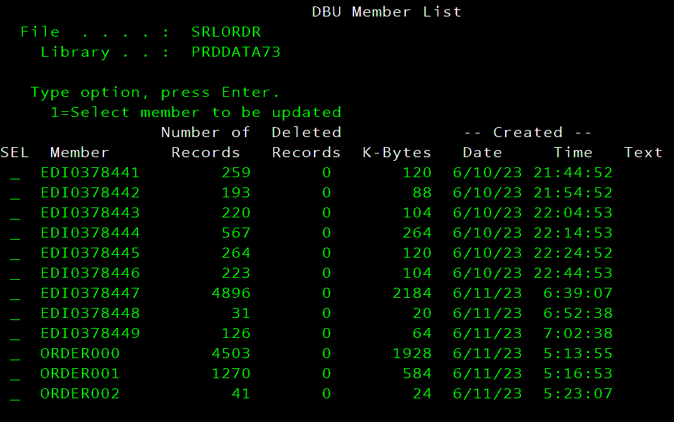
· Kyle Cushman (JDE/RODS) - JDE RODS Support
 |  | Michael/Grace/Trent

· Ken Dunham - FS Web Team
 | Customer Facing: POLLING: SOURCE LINK and IVR |  |  | VSENDJDE FTP does not need to come down | will not be affected
 | Olamide Adedotun |  |  | members with ORDER to srlordr
 |  |  |  | services, connections, getting data
· Andy Seely/QA
 | Brent Nitcher

· Chris Dixon - FS EDI Support
 | (FTP feeds B2B sends orders to JDE) (srlordr file) |  |  | no longer will gocome down | will not be affected
 | Michael Gracia |  |  | members with EDI to srlordr

· Lee Hendrix - Architecture Support
 | Dustin Jones - Frank P. |  |  | Saturday morning at 7am these jobs will load to AJF (active job file) – list of jobs like ROBOT

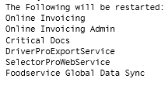
 |  |  |  | At 03:30 Sunday morning the STOP will run automatically – time driven

 |  |  |  | When you get ready to START, have operations CONFIRM (like a DO on ROBOT) the Start script😊

 | Scheduling - Melissa Padgett

 |  |  |  | Verify Load Balance Weights

· Sivakami Natarajan (EBS - Oracle) - EBS Financials |  |  |  | Will only need to verify once on proda
 | Subhash Vaishnav |  |  | Sales Orders feed to order/SO-Detail/Stats and Price History Files.
 |  |  | oracle directory
 |  |  | FTP's

End User Verification Teams – After 8:00 am

Brian Hayden – Oracle/JDE Goldengate - CDH
Michael Gray – will call Evan/Yessenia if he sees any problems
 | 1-972-821-3398

Patricia Gray – Oracle/JDE Goldengate - CDH
Evan Flickinger/Yessenia Dominguez
 | Work: 254-239-6615 | Work: 254-931-6529
Cell: 405-303-0928 Cell: 254-931-7649

Syndee Stiles – Oracle/JDE Goldengate – PDH/IDH
Tammy Fields
 | 479-936-1266

David Leach
Trista Reitz – NO NEED TO WE GOOD
 | 972.542.3662

Michael Taub – Oracle/JDE Goldengate – NDH/Planner
Kinley Harnish
 | Work: 972-364-2993

iSeries
DATE: | 2025-03-23 |  |  | 4 | PE | PA | DSS | DEVA
Start | End |  | Steps | Activity | Sys | Sys | Sys | Sys | Notes
PC-10242 |  |  |  | CM- ISERIES-1037 | INFO | INFO | INFO | INFO
 |  |  |  | Friday
 | DONE |  |  | Release ETS50203; ETS50206
 | DONE |  |  | Release - #16 below - Schedule Robot Job to Run at 3:55 am> ETS95040

 |  |  |  | Sunday
0:01:00 | ETS50206 |  | 1 | Put Robot Job; AM0400; AM0415SUN;AM0430; AM0445; AM0500; AM0530; AM0600; AM0610; AM0615; AM0700; AM0715; AM0745; AM0800; AM0815; AM0900; AM0915; AM0930 on HOLD | PA
0:01:00 | ETS50206 |  | 2 | Do a 'DO' on ETS50050 | PA |  |  |  | *disable mimix audits
0:01:00 | ETS50206 |  | 3 | Do a 'DO' on ETS50021 ENABLED Profile SYSMGMT | PA
 |  | Mary | 4 | Spot Check OUTQs and JOBQs | PA
3:30:00 |  | Ops | 5 | Start Teams Meeting
 |  |  | 6 | Bring Down Apps Prior to Role Swap
SKIP |  |  | 7 | VSENDJDE FTP does not need to come down |  |  |  |  | Ken Dunham
3:30:00 | Francis/Marion |  | 8 | AUTOMATED will receive email |  |  |  |  | Keith Langley
 |  | Mary | 9 | Signon to CONSOLE as SYSMGMT to PRODA/Carrollton Then go to Opt. 10 on screen. | PA |  |  |  | 10.7.1.130
3:49:00 | Norman |  | 10 | Change Polling box DALHQ125 server from 10.7.1.239 PRODa to 10.7.1.234 PRODe |  |  |  |  | proda/polling input orders and out going invoices
 | Brent Riveria | Mary | 11 | https://olamvssprod.mclaneco.com
3:42:00 |  | Mary | 12 | Make DNS changes to have DBSERVER, GENESIS and SPYVIEW to point to PRODE 10.7.1.234 | PA
 |  | Mary | 13 | Test ping after DNS chgs: DBSERVER, GENESIS and SPYVIEW 10.7.1.234 | PA
 | ETS50203 | DONE | 14 |  | PA
 | no jobs | Mary | 15 | allow all oracle jobs to COMPLETE: Release jobq QGPL/QBATCH runs and generates jobs in QGPL/ORACLEGL and release JOBQ QGPL/ORACLE | PA
 | ETS95040 | Mary | 16 | Schedule Robot Job to Run at 3:55 am> ETS95040 | PA
4:00:00 |  | Mary | 17 | End level 3 on PRODE/Prod/Temple (Opt 3) (Wail until IPL_PRCS completes) WRKACTJOB SBS(QCTL) | PA
 |  | Mary | 18 | Goldengate - STOP Manager (manually) | PA
 |  | Mary | 19 | ENDSBS SBS(GOLDENGATE) OPTION(*IMMED) | PA
 |  | Mary | 20 | ENDs Replication between PRODA/PROD to PRODDSS/HA |  |  |  |  | mimix support: 1-630-282-8300
4:05:00 |  | Mary | 21 | MIMIX/ENDMMX and Press Enter. | PA |  |  |  | if > 10 minutes
 |  | Mary | 22 | MIMIX/WRKDG to monitor | PA |  |  |  | make sure all datagroups are down, end manually if needed
 |  | Mary | 23 | MIMIX/WRKSYS *INACTIVE all | PA |  |  |  | subsystem just port active
 |  | Mary | 24 |  | PA |  |  |  | 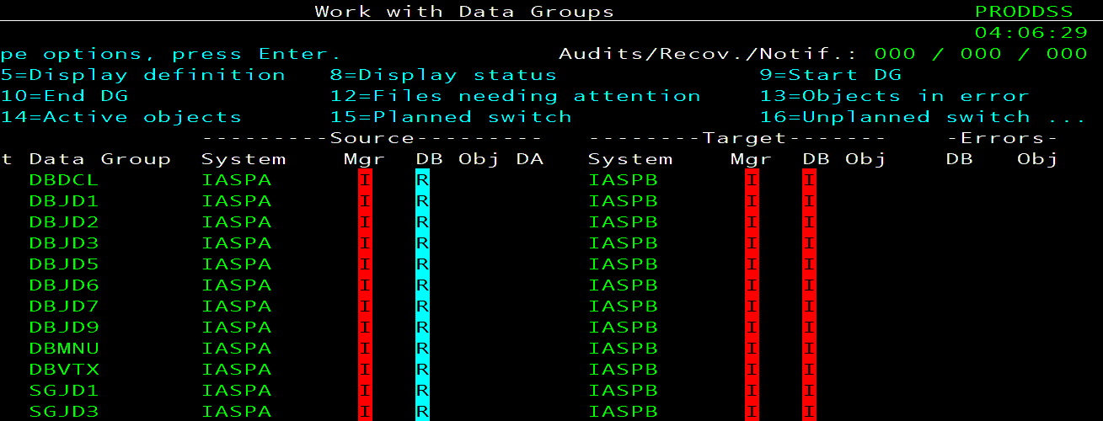
 |  | Mary | 25 |  | PA
 |  | Mary | 26 | MIMIX/ENDMMX and Press Enter >kills all jobs except sbs and ports | PA |  |  |  | 2 ports on prode/prod and 1 port on proda/ha
 |  | Mary | 27 | MIMIX/WRKDG to monitor | PA |  | DSS/T |  | make sure all datagroups are down, end manually if needed
 |  | Mary | 28 | MIMIX/WRKSYS *INACTIVE all | PA |  |  |  | Subsystem Active and ports are active
 |  | Mary | 29 | After ending mimix, ports should only be *active under all 4 nodes sbs | PE | DSS/T | DSS/C | PA
 |  | Mary | 30 | End mimix sbs on prode/prod it should be showing two ports: ENDSBS SBS(MIMIXSBS) OPTION(*IMMED) | PA |  |  |  | only kill prode/proda
 |  | Mary | 31 | End mimix sbs on proda/ha it should be showing 1 port: ENDSBS SBS(MIMIXSBS) OPTION(*IMMED) |  |  |  | PE | only kill proda/proda
 |  | Mary | 32 | Kill sbs's on prode/prod and proda/ha to kill ports | PA |  |  | PE | 2 ports/source….1 port/target active
 |  | Mary | 33 | ENDTCPIFC INTNETADR('10.7.1.168') | PA |  |  |  | Deactivate 10.7.1.168 -
 |  | Mary | 34 | Verified it's ended> NETSTAT OPTION(*IFC) | PA
 |  | Mary | 35 |  | PA
 |  | Mary | 36 | STRTCPIFC INTNETADR('10.7.1.168') |  |  |  | PE | Activate 10.7.1.168 -
 |  | Mary | 37 | Verified it's ended> NETSTAT OPTION(*IFC) |  |  |  | PE
 |  | Mary | 38 |  |  |  |  | PE
 |  | Mary | 39 | strsbs qbatch/amsconfig hold jobs in jobq qbatch/ | PA
 |  | Mary | 40 | Start Role Swap from ProdA to ProdE
 |  | Mary | 41 | Logoff and back on to CONSOLE as QSECOFR PRODA/COLO | PA |  |  |  | 10.7.1.180
 |  | Mary | 42 | WRKCLU | PA
 |  | Mary | 43 | Run QZRDPWRHA/CHKDUPLIBS IASP(PRODEIASP) | PA |  |  |  | QZRDHASM, QZRDPWRHA
 |  | Mary | 44 | QSYS/WRKASPJOB | PA |  |  |  | Verify that all SUBSYSTEMS HAVE ENDED IN LEVEL 3
 |  | Mary | 45 | Take Option 9 - Verify PEDEVCRG Resource Group is Active | PA
 |  | Mary | 46 | Option 6 | PA
 |  | Mary | 47 | Option 6 | PA
 |  | Mary | 48 | Option 6 | PA
 |  | Mary | 49 | Option 6 | PA
 |  | Mary | 50 | Take Option 10 - Verify ASP Copy> Take Option 25 on PRODA | PA
 |  | Mary | 51 |  | PA
 |  | Mary | 52 |  | PA
 |  | Mary | 53 | qbatch has to be active….start sbs qbatch in library amsconfig on all 4 nodes : STRSBS AMSCONFIG/QBATCH | PE | DA/C | DSS/C | PA/C | keep jobq release qbatch
4:11:00 | 4:17:00 | Mary | 54 | Take Option 9 > Take Option 3=Change primary (PEDEVCRG) | PA
 |  | Mary | 55 |  | PA |  |  |  | 1:30 to varyoff
 |  | Mary | 56 | qbatch | PA |  |  |  | Job ends once it has vary off the iasp
 |  | Mary | 57 | Start another session to PRODA/Carrollton to monitor: ASP State will go to VARYOFF | PA |  |  |  | QSECOFR/varyon 1:00 then a dlyjob 60
 |  | Mary | 58 | Signon to CONSOLE as QSECOFR on PRODE/Temple to Monitor: ASP State will go to AVAILABLE |  |  |  | PE | 10.7.1.180
 |  | Mary | 59 |  |  |  |  | PE
 |  | Mary | 60 | Verify Direction of Replication has been switch |  |  |  | PE
 |  | Mary | 61 |  |  |  |  | PE | 10.7.1.132
 |  | Mary | 62 | Verify Cluster that all 4 nodes are active | PA |  |  | PE
 | SKIP | Mary | 63 | Shut down Goldengate (manually shut down mgr - levels will shut everything else) ck sbs | PA
 |  |  | 64 | 3rd party software on ProdE/Temple
 |  | Mary | 65 | Logon as Self to verify menu |  |  |  | PE
 |  | Mary | 66 | Login as SYSMGMT |  |  |  | PE
 |  | Mary | 67 | Sync System Time |  |  |  | PE
 |  | Mary | 68 | WRKSYSVAL QINACTITV change from 45 to *NONE |  |  |  | PE
A |  | Mary | 69 | Verify Spyview otherwise, apply |  |  |  | PE
4:19:00 |  | SYSMGMT | 70 | STRSPY>F21 |  |  |  | PE
 |  | SYSMGMT | 71 | CLRPFM FILE(SPYVIEW/MFKYLIC) |  |  |  | PE | SN# 7858201
 |  | SYSMGMT | 72 | CLRPFM FILE(SPYVIEW/MFKYMST) |  |  |  | PE
 |  | SYSMGMT | 73 | F12>Option 7> 5EFFD3876609CB894D8E73DF68C5B5B6 |  |  |  | PE | LPAR NUMBER: 001
 |  | SYSMGMT | 74 | 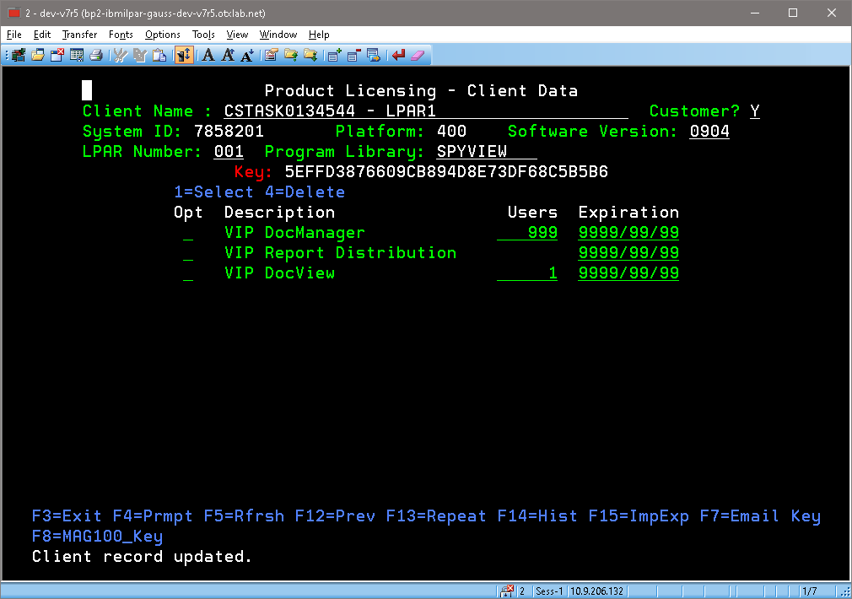 Select Products and apply Users and Demo Date |  |  |  | PE | (DOCVIEW- 7 on PE; 1 on PA
 |  | SYSMGMT | 75 | START SPYVIEW PRINT DISTRIBUTION |  |  |  | PE
 |  | SYSMGMT | 76 | CALL PRDETSSRC/STRDSTLIST (185) |  |  |  | PE | SYSMGMT
 |  | SYSMGMT | 77 | STRMON if needed |  |  |  | PE
ADDED | ADDED | SYSMGMT | 78 | Set *PUBLIC = *USE authority for service program QPMLPMGT
B |  | Mary | 78 | KEY - Apply Turnover Key |  |  |  | PE | need to apply
 |  | Mary | 79 | 'IFS KEY: /home/unicom/licenses/* TN4 |  |  |  | PE | SN# 7858201
 | WAS GOOD | Mary | 80 | 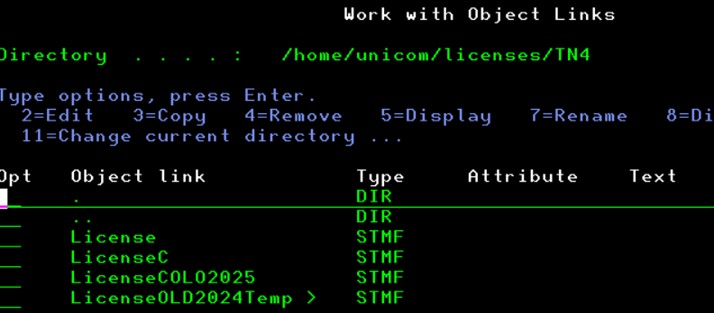 RENAME License to LicenseCOLO2025 then RENAME LicenseTemple2025 to License |  |  |  | PE | LPAR 001
 |  | Mary | 81 | 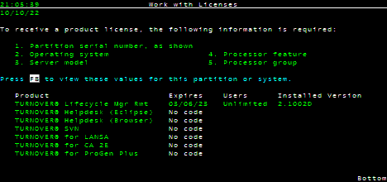 SOFTTURNE/TWRKLIC |  |  |  | PE | LPAR 001
 | *sysbas | Mary | 82 | STRSBS SBSD(AMSCONFIG/TURNOVER) if not started |  |  |  | PE
 |  | Mary | 83 | Turnover Menu: Take Option 11>Option 1> |  |  |  | PE
 |  | Mary | 84 | 2=change > PRODE System description = change serial number 7858201 Serial number = *LOCAL and Press Enter |  |  |  | PE | Highlight Remote System
 |  | Mary | 85 |  |  |  |  | PE | before RS
 |  | Mary | 86 |  |  |  |  | PE | after RS
 |  | Mary | 87 | Take Option 1 from Turnover Main Menu |  |  | DEVA/T
 |  | Mary | 88 |  |  |  | DEVA/T
 |  | Mary | 89 | level 30 |  |  | DEVA/T |  | 1=highlight 4=unhighlight
 |  | Mary | 90 | level 30 |  |  | DEVA/T |  | highlight system
 |  | Mary | 91 | check 11>1 deva highlight ck serial no |  |  | DEVA/T
C |  | Mary | 92 | KEY - Verify DSI Key |  |  |  | PE | Logon to Verify
 |  | Mary | 93 | DLTOBJ OBJ(DCL511DTA/DSIPROTECT) OBJTYPE(*DTAARA) |  |  |  | PE | svc_dclink/key by sn#
 | 4:25:00 | Mary | 94 | CRTDTAARA DTAARA(DCL511DTA/DSIPROTECT) TYPE(*CHAR) LEN(24) VALUE(X'C1E935EDACCF9B5D14DBE418D19A7E5CC4DDD2CC383A813A') |  |  |  | PE | NO SPACES!!!!key not needed for DSI to run. It's use for SVC_DCLINK interface 13
D |  | Mary | 95 | KEY - INIT and APPLY JDE KEYS |  |  |  | PE
 |  | Mary | 96 | https://licensecodes.oracle.com/cgi-bin/keygen.pl https://www.oracle.com/support/license-codes/jd-edwards-world.html |  |  |  | PE | SAME KEY AS BEFORE BY SERIAL NO
 |  | SYSMGMT | 97 | Logon as SYSMGMT |  |  |  | PE
 |  | Mary | 98 | CHGDTAARA DTAARA(JDFOBJA73/QJDF (496 17)) VALUE(‘060139RPGHDB00701’) |  |  |  | PE | SAME KEY AS BEFORE/BY SN# will be same for DEVA/Prod
 |  | Mary | 99 | 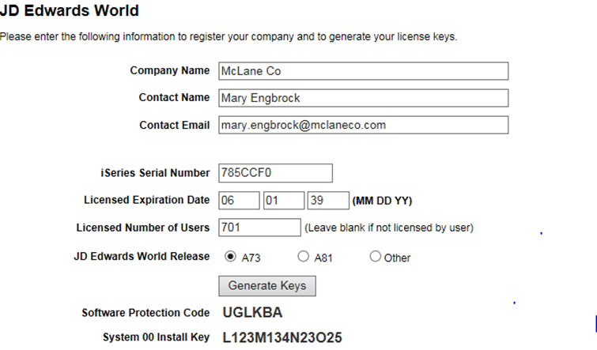 Software Protection Code RPGHDB System 00 Install Key L123M12345NO27 |  |  |  | PE
 |  | Mary | 100 | DSPDTAARA JDFOBJA73/QJDF for Verification |  |  |  | PE | DD - #CYR///50
 |  | Mary | 101 | 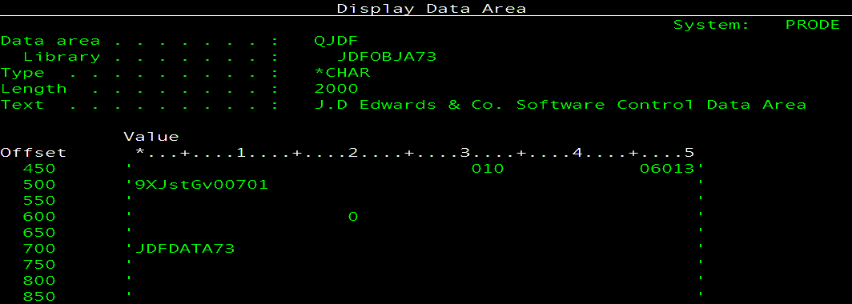 |  |  |  | PE | Screen Shot of PRODE KEY B/4 ROLE SWAP SAMPLE
 |  | Mary | 102 | 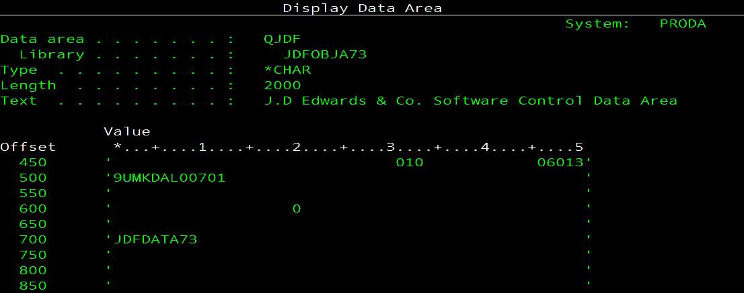 | PA |  |  |  | Screen Shot of PRODA KEY AFT ROLE SWAP SAMPLE
 |  | Mary | 103 | Logon as QSECOFR |  |  |  | PE
 |  | Mary | 104 | SETASPGRP ASPGRP(PRODEIASP) |  |  |  | PE
 |  | Mary | 105 | Have to KEY Each on at a Time!!! |  |  |  | PE
 |  | Mary | 106 | WRKOBJLCK OBJ(QGPL/JDE_IDX_1) OBJTYPE(*USRIDX) |  |  |  | PE
 |  | Mary | 107 | WRKOBJLCK OBJ(QGPL/JDE_IDX_2) OBJTYPE(*USRIDX) |  |  |  | PE
 |  | Mary | 108 | WRKOBJLCK OBJ(QGPL/JDE_IDX_3) OBJTYPE(*USRIDX) |  |  |  | PE
 |  | Mary | 109 | WRKOBJLCK OBJ(QGPL/JDE_IDX_4) OBJTYPE(*USRIDX) |  |  |  | PE
 |  | Mary | 110 | WRKOBJ OBJ(QGPL/JDE*) OBJTYPE(*USRIDX) |  |  |  | PE
 |  | Mary | 111 | DELETE 1-4 ONLY! |  |  |  | PE
 |  | Mary | 112 | SBMJOB CMD(CALL PGM(JDFOBJA73/J98802JQ)) JOBQ(AMSCONFIG/QCTL1) INLLIBL(QTEMP JDFOBJA73 PRDCOMA73 PRDDATA73 SECUREA73 QGPL) LOG(0 99 *SECLVL) |  |  |  | PE | CALL QCMD AND PASTE and PAST NEXT
 |  | Mary | 113 | WRKOBJ OBJ(QGPL/JDE*) OBJTYPE(*USRIDX) |  |  |  | PE | Rebuilds 1-4
 |  | Mary | 114 | Signoff and Log Back in as DXRECOV/yellow1 |  |  |  | PE
4:28:00 |  | Mary | 115 | G90>OPTION 5>F2>CALL J99LSF#> I > 00 > Press Enter> C > 00 > Apply new Install Key Matrix and Press Enter |  |  |  | PE
 |  | Mary | 116 | System 00 Install Key L123M12345NO7 |  |  |  | PE | Screen Shot Prior to Role Swap
 |  | Mary | 117 | Go CSEC Menu> Take Option 2 > Alpha Name.. A>Press Enter>> Option 3 for Verification>I > PAGE DOWN |  |  |  | PE
 |  | Mary | 118 | G94>14>F6 to Verify Software Secuirty Code |  |  |  | PE
E |  | SYSMGMT | 119 | Robot Schedule Changes due to Different System names (completion history) |  |  |  | PE | SYSMGMT
4:36:00 |  | SYSMGMT | 120 | RBTSYSLIB/RSLSHUTDWN |  |  |  | PE | Bring down RBTSLEEPER Subsystem by running:
 |  | SYSMGMT | 121 | RSLCHGSYSN BEFORE(PRODA) AFTER(PRODE) PRODUCT(ROBOT) |  |  |  | PE
 |  | SYSMGMT | 122 | RSLSETOID PRC(RBT) |  |  |  | PE
 |  | SYSMGMT | 123 | STRSBS SBSD(RBTSYSLIB/RBTSLEEPER) |  |  |  | PE
F | skip | Mary | 124 | Verify Formsprint - 15 days get screenshot to send to vendor for perm key |  |  |  | PE | KEYS IS IN ICSPROG/SYSBAS
 | skip | Mary | 125 | Double Check Formsprint #3 (otherwise, do F16>3>Verify 3 CALL ICSPROG/FMSTCTLA |  |  |  | PE | CALL ICSPROG/LICENSE
 |  | Mary | 126 | Verify that all subsystem are Active see Tab |  |  |  | PE
 |  | Mary | 127 | Verify all tcp servers and host servers are active that should be |  |  |  | PE
 |  |  | 128 | Host Table Changes
 |  | SKIP | 129 | Host Tables Entries for PRODE and PRODA do not need to change due to different system names | PE |  |  | PA
 |  | SKIP | 130 | Host Tables Entries for Proddsss and ProddssHA do not need to change due to different system names | DSS |  |  | DSSHA
 |  | SKIP | 131 | Host Tables Entries for DEVA and DEVAHA do not need to change due to different system names | DEVA |  |  | DEVAHA
 |  | Mary | 132 | Start Level 3 - and End Qinter |  |  |  | PE
 |  | Mary | 133 | Run Robot job SOP93000 (release job in sbs QCTL) note: do not need to wait for job completion: |  |  |  | PE
 |  | Mary | 134 | Run Robot Job: PR_90000 note: do not need to wait for job completion |  |  |  | PE
4:42:00 |  | Mary | 135 | RLSSBSJQ SBS(AMSCONFIG/DCSBS) |  |  |  | PE
 |  | Mary | 136 | RLSSBSJQ SBS(AMSCONFIG/QBATCH) |  |  |  | PE
 |  | Mary | 137 | RLSSBSJQ SBS(AMSCONFIG/ORDERPOST) |  |  |  | PE
4:43:00 |  | Mary | 138 | Start level 3 on PRODE/Temple (Opt 13) (Wail until IPL_PRCS completes) WRKACTJOB SBS(QCTL) |  |  |  | PE
 |  | Mary | 139 | kill Qinters* CALL PRDETSOBJ/ENDQINTERS |  |  |  | PE | MLENGBR2
 |  | Mary | 140 | STRHOSTSVR *ALL |  |  |  | PE
 |  | Mary | 141 | STRTCPSVR *ALL |  |  |  | PE
 |  | Mary | 142 | BOUNCE QSNADS |  |  |  | PE
G |  | Mary | 143 | Fastfax - Using the same Environment # and DNS |  |  |  | PE
 |  | Mary | 144 | ENDTCPSVR *NETSVR | PA |  |  |  | SYSMGMT
 |  | Mary | 144 | SUBSYSTEM NEEDS TO BE DOWN: FASTFAXLC/FASTFAXL |  |  |  | PE
 |  | Mary | 145 | IBMi Net Server & ODBC should be ACTIVE |  |  |  | PE
 |  | Mary | 146 | CHGCURLIB FASTFAXL |  |  |  | PE
 |  | Mary | 147 | DSPDTAARA FASTFAXL/DTAPTF |  |  |  | PE
 |  | Mary | 148 |  |  |  |  |  | 5.0.0.003=GEN1 5.5.1.005=GEN2
4:51:00 |  | Mary | 149 | STRSQL |  |  |  | PE | LPAR1
 |  | Mary | 150 | INSERT INTO FASTFAXL/FFXLDV (FDVPID, FDVPNB, FDVTP1, FDVTP2, FDVSEQ, FDVFNM, FDVFVL, FDVFF1, FDVFF2, FDVFF3) VALUES(0, 0, 900000001, 900000098, 1, 'I1_8201.QSP', '011ed777f8f2f0f1d0c4d8d337579715f39f0737579715131f0737509414', '', '', '') |  |  |  | PE | IBMi 7859201 partition 1
 |  | Mary | 151 | UPDATE FASTFAXL/FFXLDE SET FLEASN=’WINPRODE1’ where FLEEID = 4 |  |  |  | PE | TO UPDATE THE NETSERVER NAME - Subsystem will NOT stay up if Wrong
 |  | Mary | 152 | FFXTOOLS option 87 |  |  |  | PE | NetServer Name on iSeries Can you go into or FFXTOOLS option 87 & verify the NetServer name Also make sure it’s all uppercase no lower case characters & no spaces or type-o’s
 |  | Mary | 153 | At a command line verify your security code by typing: FASTFAXL/FFXSECURE |  |  |  | PE
 |  | Mary | 154 | STRFFX If the security code is valid you can start FastFax by typing |  |  |  | PE
 |  | Mary | 155 | FastFax should go Active once the Subsystem is started to verify type WRKFAXJOB On the Outbound Message screen press F9=Status |  |  |  | PE | FastFax should go Active once the Subsystem is started to verify type WRKFAXJOB On the Outbound Message screen press F9=Status
 |  | Mary | 156 | CHECK MSF OTHERWISE BOUNCE IT SBS: QSYSWRK STRMSF MSGOPT(*RESUME) NBRMSFJOB(6) |  |  |  | PA | IF NEEDED
 |  | Mary | 157 | Verify PCMiler is Active SBS: QUSRWRK QZHQSSRV PCMILER | PE |  |  |  | tools ? Task scheduler
 |  | Mary | 158 | Turn Over to Teams for Testing
4:57:00 |  | OPS | 159 | See Email Sent to Ops
 |  | OPS | 160 | JDE Team
 |  | Brent | 161 | Users
 |  |  | 162 | Restart Apps
SKIP |  |  | 163 | VSENDJDE FTP did not come down
 | Customer Facing | OPS | 164 | Polling: Source Link and IVR |  |  |  |  | Ken Dunham
 | FTP B2B | OPS | 165 | FTP B2B and JDE ( sends orders from b2b to jde) |  |  |  |  | Chris Dixon
 | Request Ops to CONFIRM | Mary | 166 | Verify Load Balance Weights |  |  |  |  | Lee Hendrix
 | FTP ORACLE | OPS | 167 | Verfication of FTP from JDE to Oracle |  |  |  |  | Sivakami Natarajan
 | STRL3 | Mary | 168 | Verify QNTC File shares are all connected otherwise run ETS90000 |  |  |  | PA | MKDIR DIR('/QNTC/WTDSTDSIAPP01') MKDIR DIR('/QNTC/vfiler-onbase01') MKDIR DIR('/QNTC/VSERVER-DATA01')
done |  | MLENGBR2 | 169 | FORMSPRT: Virtual Queue: START MANUALLY: INVOICEPDF, INVOICERPRT, FAX |  |  |  | PE
5:53:00 | DSI!!! | Mary | 196 | DO A 'DO' ON JOB : OPS90100 |  |  |  | PE
 |  | Mary | 197 | WRKACTJOB SBS(DCL511SBS) and make sure job status are not in TIMW |  |  |  | PE
 |  | Mary | 198 | note: see 2nd worksheet for DSI locations LABELED: DSI DCs |  |  |  | PE
6:02:00 |  | Mary | 170 | START Qinters* CALL PRDETSOBJ/STRQINTERS |  |  |  | PE
 |  | JDE | 171 | Compare counts prior to starting MIMIX
 |  | Mary | 172 | Run ETS50204 RUNQRY ZMARY/ROLECNTS to display counts |  |  | DSS/T
H |  | Mary | 173 | START MIMIX REPLICATION BETWEEN PRODE TO PRODDSS/T
 | NOTES | Mary | 174 | LAKEVIEW/WRKPRD
 | NOTES | Mary | 175 |  | PE
 | NOTES | Mary | 176 |  |  |  |  | PA
 |  | Mary | 177 | CALL MIMIXQGPL/MCLANEIAPA (PRODE and PRODA *sysbas) to added Asure MIMIX - MIMIXIASP to PA |  |  |  | PA | COPY ON DEVA
 | NOTES | Mary | 178 | LAKEVIEW/UPDINSPRD
 | NOTES | Mary | 179 | IF 2nd port does not start: MIMIXIASP/STRSVR HOST('10.7.1.168') PORT(50500)
 | NOTES | Mary | 180 | MIMIXIASP/MIMIX>>>> MIMIX/WRKSYS>>>>>MIMIX/STRMMX
DSSIASP | SKIP NOT SWAPPING | Mary | 181 | STRSQL verify relational database if PRODDSS do NEXT TWO STEPS |  |  | DSS/T
DSSIASP | SKIP NOT SWAPPING | Mary | 182 | WRKRD* delete MX_MIMIXIASP_IABA 10.7.1.169 | PE
DSSIASP | SKIP NOT SWAPPING | Mary | 183 | ADDRDBDIRE RDB(DSSIASP MX_MIMIXIASP_IABA) RMTLOCNAME('10.7.1.169' *IP) | PE |  |  |  | dssiasp/prode&proddss;proddss/proda&proddssha
 |  | Mary | 184 | STARTs Replication between PRODE to PRODDSS
 |  | Mary | 185 | STRSBS MIMIXQGPL/MIMIXSBS start subsystem | PE | DSS/T | DSS/C | PA | make sure 2 ports are active proda and 1 on prode
 |  | Mary | 186 | MIMIX/WRKSYS Option 9 |  |  |  | PE
6:08:00 |  | Mary | 187 | MIMIX/STRMMX - to start datagroups/replication |  |  |  | PE
 |  | Mary | 188 | 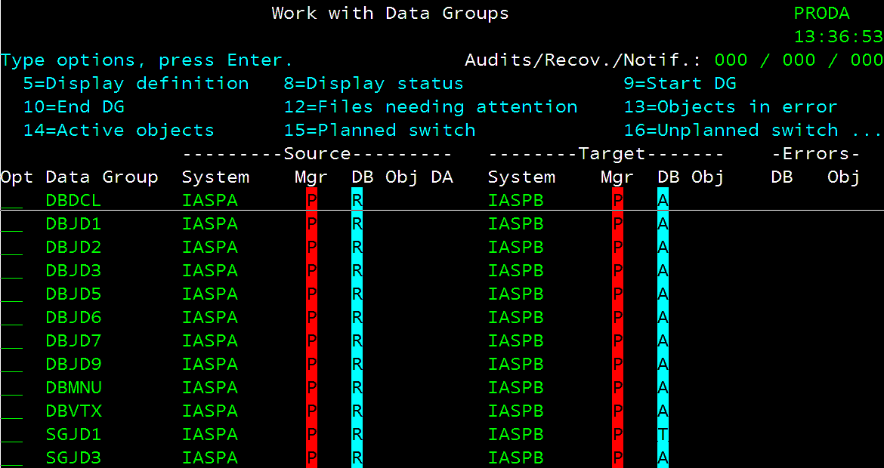 |  |  |  | PE
 |  | JDE | 189 | Check File counts once MIMIX has been Started to make sure they are changing |  |  | DSS/T
 |  | Mary | 190 | Run ETS50205 RUNQRY ZMARY/ROLECNTSPA to display before counts |  |  | DSS/T
 |  |  | 191 | MISC
 |  | Mary | 192 | IF job time is < (less than) 'Current Time' AM0400; AM0415SUN; AM0430; AM0445; AM0500; AM0530; AM0600; AM0610; AM0700; AM0800; AM0900; then do the following: R=Release and 'DO' on jobs ONE At A Time; (If you have any questions, CALL SYSTEM i ON-CALL PERSON.**) |  |  |  | PE
 |  | Mary | 193 | IF job time is > (greater than) 'Current Time' AM0400; AM0430; AM0445; AM0500; AM0530; AM0600; AM0610; AM0700; AM0800; AM0900; than do the following: R=Release ONE At A Time; (If you have any questions, CALL iSERIES ON-CALL PERSON.**) |  |  |  | PE
 |  | Mary | 194 | If job GL_19020, GL_35000, AR_10000, FED15220 or VTS38001 Ended Abnormal due to outage ONLY, Robot Job Has A 'T' Status **** Do a 'DO' to run job |  |  |  | PE
 |  | Mary | 195 | PR_11601 job runs at 8:00 am, PR_11605 job runs at 7:00 am, PR_11610 job runs at 6:00 am, and PR_11699 runs at 5:05 am. Should be on the list of missed jobs. Do a 'DO' when system comes back up. |  |  |  | PE
 |  | Mary | 199 | Verify that all subsystem are Active |  |  |  | PE
 |  | Mary | 200 | Verify all tcp servers are active that should be |  |  |  | PE
 |  | Mary | 201 | Robot Schedule: display missed jobs time frame: 0400 to 0800 date: 03/23/25 |  |  |  | PE
 |  | Mary | 202 | Run ETS50020 for 'T'erminated Jobs |  |  |  | PE
 |  | Mary | 203 | Start iSeries Robot GUI Monitors after iSeries has given the ok. |  |  |  | PE
 |  | Mary | 204 | Do a 'DO' on ETS51000 to start stats to Splunk |  |  |  | PE
 |  | Mary | 205 | Do a 'DO' on ETS50001 Disable APPADMIN & SYSMGMT |  |  |  | PE
 |  | Mary | 206 | WRKJOBSCDE RLS VTLD0395 |  |  |  | PE
 |  | Mary | 207 | WRKJOBSCDE HOLD VTLD0395 |  |  |  | PE
 |  | Mary | 208 | DO' on Robot job ETS40080 to Reset Robot Host Node for GUI monitor |  | DSS/T | DEVA/T | PE
 |  | Mary | 209 | SETUP ROBOT NETWORK GUI / bounce on all systems |  | DSS/T | DEVA/T | PE
 |  | Mary | 210 | MISC BACKUPS |  |  |  | PE
DONE |  | Mary | 211 | Modify MEDPCY ETSCLNJRNV from: HTAPED090 to VTAPED090/deactivate/line60 and activate/line50 |  |  |  | PE
DONE |  | Mary | 212 | Modify MEDPCY FIN14600 from: HTAPED090 to VTAPED090 |  |  |  | PE
DONE |  | Mary | 213 | HOLD ETS50203 AND ETS50206 |  |  |  | PE
DONE | 6:24:00 | Mary | 214 | WRKSYSVAL QINACTITV change from *NONE to 45 |  |  |  | PE
 | SKIP | Mary | 215 | CPA
 |  | Mary | 216 | CPA: it exist on the sysbase side |  |  |  | PE
 |  | Mary | 217 | CPA/OPTION 1> OPTION 7 - CPADAILY - 9:00 am; CPAWEEKLY-Monday 9:00 am |  |  |  | PE
 |  | Mary | 218 | Verify |  |  |  | PE
 |  | Mary | 219 |  |  |  |  | PE
 |  | Mary | 220 | to: |  |  |  | PA
 |  | Mary | 221 |  |  |  |  | PE
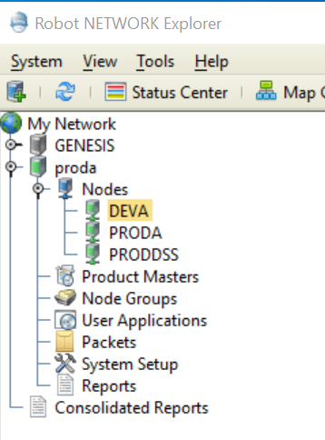
 |  |  | 179 | ROBOT GUI - NETWORK
 |  | Mary | 180 | RBTNETNODE/RBNENDNODE | PE
 |  | Mary | 181 | RSLWL | PE |  |  |  | IFS
 |  | Mary | 182 | ROBOT NETWORK>nodeConfig.xml >>>search on PrimaryHost Shift/F4 | PE
 |  | Mary | 183 | RBTNETNODE/RBNCFGNODE HOSTIP('10.7.1.239') AHOSTIP(*NONE) | PE
 |  | Mary | 184 | RBTNETNODE/RBNSTRNODE | PE
 |  | Mary | 185 | IF MULTIPLE NODES IN GREY: GO TO PRODE | PE
 |  | Mary | 186 | RBTNETLIB/RBNDLTNODE F4 and input DEVA | PE
 |  | Mary | 187 | Follow the Above then go to GUI and setup new host> proda | PE

 |  |  | 170 | GOLDENGATE VERIFICATION
SKIP | STRL3 | Mary | 171 | GOLDENGATE>OOGUSER>ETS95000 to start mgr
SKIP | STRL3 | Mary | 172 | strsbs goldengate
SKIP | SKIP | Mary | 173 | ADDLNK OBJ('/DAHAIASP/GoldenGate') NEWLNK('/GoldenGate') LNKTYPE(*SYMBOLIC)
SKIP | STRL3 | Mary | 174 | Do a 'DO' on Robot job ETS95000
SKIP | STRL3 | Mary | 175 | Logon with OOGUSER
SKIP | STRL3 | Mary | 176 | leon side 'distribution service' - OGG job
SKIP | STRL3 | Mary | 177 | START REPLICAT's
SKIP | STRL3 | Mary | 178 | START PUMP/EXTRACT

 | SKIP | Mary | 188 | CK: PRDETSDTA/CURSYS *DTAARA | PE |  | PE/T
 | SKIP | Mary | 189 | run ETSCURSYS (runs on sat's) if needed | PE |  | PE/T

 |  | ISSUES
 |  | NETSVR would not stay active for ff

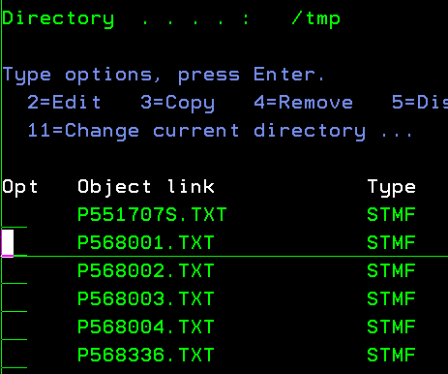
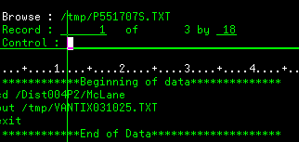
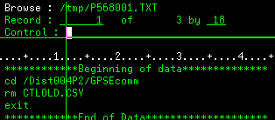
 |  |  |  | Monday |  |  |  |  | ROBOT JOBS/SCRIPTS/DATAAREA HAVE TO CHANGE FROM DIST004 TO DIST004P2
 |  | Grace/Mary | 1 | Name Description Time M T W TH F
 |  |  |  | SOP11400 RS-Upd RBTROB SFTP JOB 08:00 14:30 C C C C C
 |  |  | 2 | Test Turnover form
 |  |  |  | Review Globals

 |  |  | 3 | DIST004 RSCS SFTP Connection from JDE - PRODE
 |  |  |  | DIST004P2 RSCS SFTP Connection from JDE - PRODA
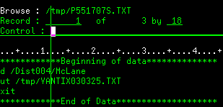
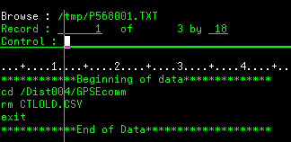

 | could view on both lpars |  |  | /tmp/RSCS
 | not equal
 |  | PRODE |  | home/DIST004
 |  | PRODA |  | home/DIST004P2

 |  |  |  | PRODE
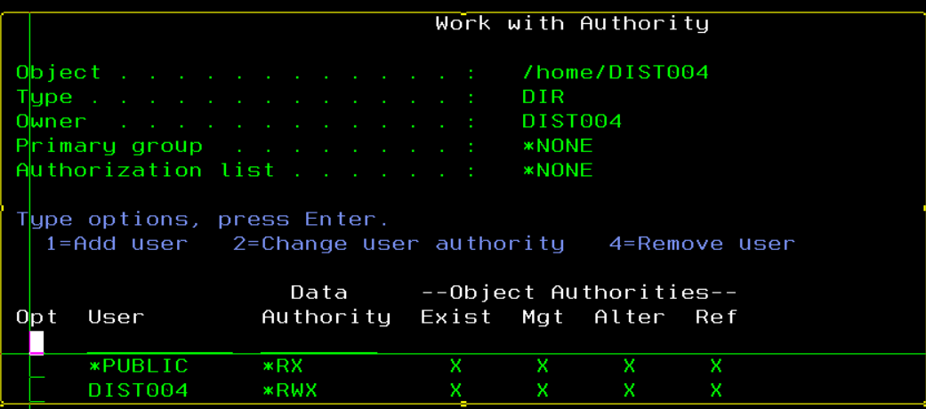
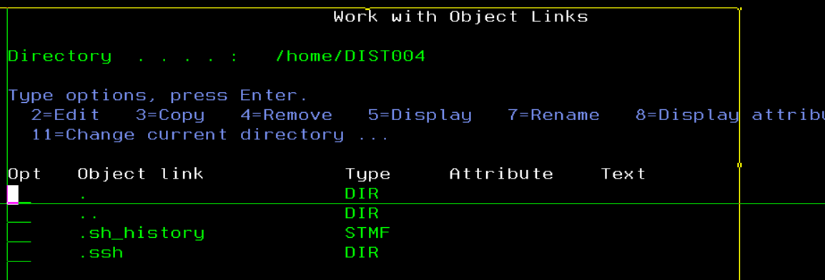

 |  |  |  | PRODA

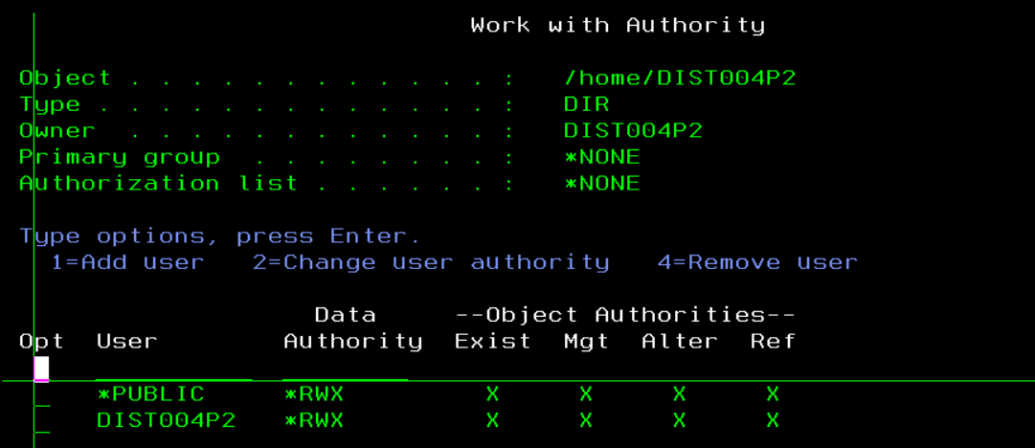
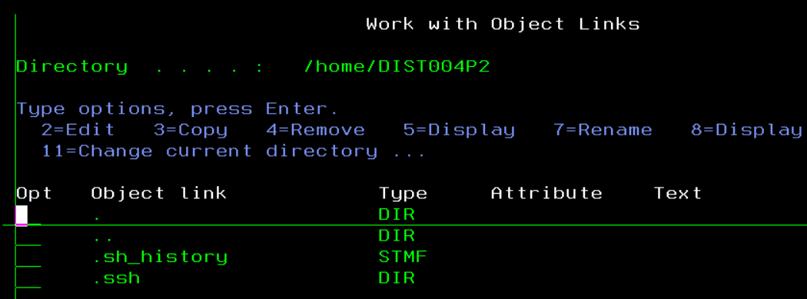

 | KEYS |  |  | /home/dist004/.ssh/known_hosts

 |  |  |  | Logon with DIST004/mcl1320$p
 | Test Connection |  |  | Logon with DISTOO4P2/mcl1320$P2
 |  |  |  | call qp2term
 |  |  |  | sftp dist004p2@rscs.hostedftp.ocm
 |  |  |  | cd /Dist004p2/GPSEcomm
 |  |  |  | ls

 | info extract cext

 | fix

 | alter extract cext, SEQNO 996369538 journal PRDJRNLIB/JDEJD7JRN JRNRCV PRDJRNLIB/JD7JDE7821
 | alter extract iext, SEQNO 996369538 journal PRDJRNLIB/JDEJD7JRN JRNRCV PRDJRNLIB/JD7JDE7821
 | alter extract next, SEQNO 996369538 journal PRDJRNLIB/JDEJD7JRN JRNRCV PRDJRNLIB/JD7JDE7821
 | alter extract pext, SEQNO 996369538 journal PRDJRNLIB/JDEJD7JRN JRNRCV PRDJRNLIB/JD7JDE7821

 |  |  |  | > info extract next

 |  |  |  | EXTRACT NEXT Last Started 2025-03-16 06:12 Status ABENDED
 |  |  |  | Checkpoint Lag 00:00:00 (updated 00:55:34 ago)
 |  |  |  | VAM Read Checkpoint 2025-03-16 03:47:41.372576

 |  |  |  | Journal Receiver Timestamp (UTC) Sequence Number
 |  |  |  | PRDJRNLIB/JDEJD7JRN | PRDJRNLIB/JD7JDE7821|Mar 16 2025 08:47:41.372576|00000000000996369537

 | ERROR

 | PRDJRNLIB/JDEJD7JRN | PRDJRNLIB/JD7JDE7821|Mar 16 2025 08:47:41.372576|00000000000996369537.
 | Positioning sequence ID is out of order, old sequence ID is 00000000000996369537, new sequence ID is 00000000000000050059.

 |  | WRKCFGSTS CFGTYPE(*CTL) CFGD(*CMN)

 | 2025-03-23

 |  | Journal Receiver Timestamp (UTC) Sequenc
 |  | JRNLIB/JDEJD7JRN | PRDJRNLIB/JD7JDE7899|Mar 23 2025 08:47:37.854912|000000000000
 | ce Number
 | 62271050

 |  | sequence ID is out of order, old sequence ID is 00000000000062271050, new sequennce ID is 00000000000000018119.

 |  | alter extract cext, SEQNO 62271051 journal PRDJRNLIB/JDEJD7JRN JRNRCV PRDJRNLIB/JD7JDE7899
 |  | alter extract iext, SEQNO 62271051 journal PRDJRNLIB/JDEJD7JRN JRNRCV PRDJRNLIB/JD7JDE7899
 |  | alter extract next, SEQNO 62271051 journal PRDJRNLIB/JDEJD7JRN JRNRCV PRDJRNLIB/JD7JDE7899
 |  | alter extract pext, SEQNO 62271051 journal PRDJRNLIB/JDEJD7JRN JRNRCV PRDJRNLIB/JD7JDE7899

 |  | 5:09:00

Apply Keys
 | LPAR 1 | 7858711 | 42A | EPGM |  |  |  | Spreadsheet
1 | Abstract | sysbas | not on pe |  | A | Spyview |  | ready | Vertex | no keys
2 | Esend | sysbas | not on pe |  | B | Turnover | perm | ready/rename | PcMiler | no keys
E | Robot CONSOLE | sysbas | perm |  | C | DSI | 90 days | ready | QMGTOOLS | no keys
E | Robot Alert | sysbas | perm |  | D | JDE |  | ready | RDI | no keys
E | Robot Schedule | IASP | perm |  | G | Fastfax | perm |  | MQ FTE | no keys
E | Robot Network | sysbas | perm |  | H | MIMIX | sysbas | perm
4 | Taatools | sysbas | 90 days
3 | DBU11 | sysbas | perm
F | FormsPrint | sysbas | 90 days sent email to vendor/Lou

3
DBU | ADDLIBLE DBU11
 | DBUSEC
 | 7858201 DBU 11.0 C68A79 344711 C39C01 5101_________enter (partition 1)

4
TAATOOLS | ADDLIBLE TAATOOL
 | CHGTAAKEY
 | CHGTAAKEY KEY(547399CEB851D098B4F2FA5289B362E96AF00F747255293B5124D7265286)

 | This key can only be used on this system.
 | Serial number - 7858201
 | Model - P20
 | Feature code - *NA
 | Release - V7R3M0
 | Expiration date - *UNLIMITED
 | Use it when installing the tools or with the CHGTAAKEY command.
 | The key information should be entered as:
 | Key value 54 73 99 CE B8 51 D0 98 B4 F2 FA 52 89 B3 62 E9 6A F0 0F 74
 | -- -- -- -- -- -- -- -- -- -- -- -- -- -- -- -- -- -- -- --
 | Position 1 2 3 4 5 6 7 8 9 10 11 12 13 14 15 16 17 18 19 20
 | Key value 72 55 29 3B 51 24 D7 26 52 86
 | -- -- -- -- -- -- -- -- -- --
 | Position 21 22 23 24 25 26 27 28 29 30
 | If you have the April 15, 2017 refresh (R66) or later you can use
 | this value for the KEY parameter on the CHGTAAKEY command.
 | 547399CEB851D098B4F2FA5289B362E96AF00F747255293B5124D7265286

F
Formsprint | ADDLIBLE ICSPROG
 | CALL ICSPROG/LICENSE
 | 5=Temporary 15 day access

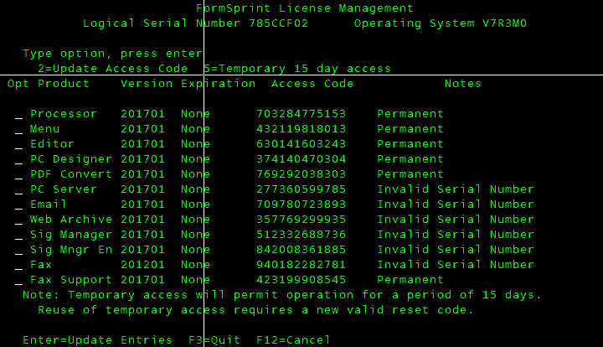

6 | Robot CONSOLE
 | 3V+FDD758E066693597A75KL+HY5IM*H5ZI55CEBVRBLQ0I74JV6120CX3ZXW5JX2UYXKSYUJUX

7 | Robot Alert
 | VWH9844B3DLFHY6+N3Q1TNPK2PKNP2Z8NVXZN0VX1D+Q3R71FE*6D1RH06+TXCAT4MPTMI+BN8T

8 | Robot Schedule
 | BGH0F89E1CY*3YPADK3JLD1V7I2D3XSIDP0UDVZ58UGE7WF6Y43CTHW1S6YJW1P+HF9JV1*J4PJ

9 | Robot Network Host
 | D1+369BF95*GE61K09K350M0*4U0+IME0BL30Z7H4VDG20IUK7VL8Q03H*ZX3FPX21JUKSHZTUX

10 | Robot Network Node
 | G9HB9DD2ABXRC3G6437*24CV+UW4FRYD4FU44I0ANTBW03QHNTMWHH361EY60KL6JL*JHB*KT16

11 | CPA
 | QBU6B81B99S1MUAB8VRKU8QC3QT896F08IRQ8EQM9IY7W5SFA*RD2P5XUJC4YE+4M0343845NY4

SBS
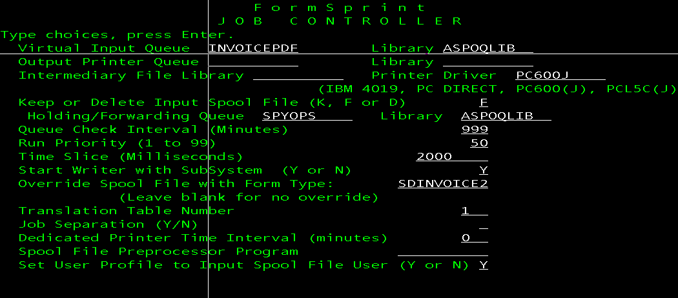
Subsystem |  |  |  |  | Subsystem
BACKGROUND | AMSCONFIG |  |  |  | BACKGROUND
BATCHWW | AMSCONFIG |  |  |  | BATCHWW
DCL511SBS | DCL511DTAC |  |  |  | DCL511SBS
DCSBS | AMSCONFIG |  |  |  | DCSBS
FASTFAXL | FASTFAXLC |  |  |  | FASTFAXL
FASTPATH | AMSCONFIG |  |  |  | FASTPATH
FINANCE | AMSCONFIG |  |  |  | FINANCE
ICSFMST | ICSSYSC |  |  |  | ICSFMST
MIMIXSBS | MIMIXQGPL |  |  |  | MIMIXSBS
ORDERPOST | AMSCONFIG |  |  |  | ORDERPOST
PROCURE | AMSCONFIG |  |  |  | PROCURE
QBATCH | AMSCONFIG |  |  |  | QBATCH
QCMN | AMSCONFIG |  |  |  | QCMN
QCTL | AMSCONFIG |  |  |  | QCTL
QHTTPSVR | QHTTPSVR |  |  |  | QHTTPSVR
QINTER0001 | AMSCONFIG |  |  |  | QSERVER
QINTER0002 | AMSCONFIG |  |  |  | QSNADS
QINTER0003 | AMSCONFIG |  |  |  | QSPL
QINTER0101 | AMSCONFIG |  |  |  | QSYSWRK
QINTER0102 | AMSCONFIG |  |  |  | QUSRWRK
QINTER0103 | AMSCONFIG |  |  |  | Q1ABRMNET
QINTER0201 | AMSCONFIG |  |  |  | RBTSLEEPER
QINTER0202 | AMSCONFIG |  |  |  | SPYCS
QINTER0203 | AMSCONFIG |  |  |  | SPYGLASS
QINTER0301 | AMSCONFIG |  |  |  | TURNOVER
QINTER0302 | AMSCONFIG |  |  |  | WWBATCH
QINTER0303 | AMSCONFIG
QINTER0401 | AMSCONFIG
QINTER0402 | AMSCONFIG
QINTER0403 | AMSCONFIG
QINTER0501 | AMSCONFIG
QINTER0502 | AMSCONFIG
QINTER0503 | AMSCONFIG
QINTER0601 | AMSCONFIG
QINTER0602 | AMSCONFIG
QINTER0603 | AMSCONFIG
QINTER0701 | AMSCONFIG
QINTER0702 | AMSCONFIG
QINTER0703 | AMSCONFIG
QINTER0801 | AMSCONFIG
QINTER0802 | AMSCONFIG
QINTER0803 | AMSCONFIG
QINTER0901 | AMSCONFIG
QINTER0902 | AMSCONFIG
QINTER0903 | AMSCONFIG
QMFT | QMQMMFT
QMQM | QMQM
QSERVER | QSYS
QSNADS | QSYS
QSPL | QSYS
QSYSWRK | QSYS
QUSRWRK | QSYS
Q1ABRMNET | QBRM
RBTSLEEPER | RBTSYSLIB
SPYCS | AMSCONFIG
SPYGLASS | AMSCONFIG
TURNOVER | AMSCONFIG
WWBATCH | AMSCONFIG

 | SKIP | #REF! | Check/ifs:ICSPRFWORK (/SOP/PDF/INF) | PE

